PSP Troffs - Casting Checklist
checklist-sectioned | PSP Troffs Beams Casting Checklist
section | Pre-Pour Checklist
text | Cast Number
text | Unit Type
text | Unit Number
checkpoint | Shop Drawings approved for Works
Date | Date
checkpoint | Mould Dimensions are within Shop Drawings Tolerance
tickbox | Length
tickbox | Width
tickbox | Height
tickbox | Straightness
tickbox | Cross-section
checkpoint | Mould Surface Checked
label | Cleaned
label | Sealed
label | Rubbers in Place
label | Oiled
label | Chamfers in Place
checkpoint | Reinforcement in Accordance with Drawings
label | Reinforcement size
label | Lap Length
label | Splicing
label | Bar Chairs
checkpoint | Detailed inspection of Mould and cage
checkpoint | Cover maintained and within tolerance
label | Roughen surfaces 30mm
label | Remaining surfaces 50mm
checkpoint | Lifters
text | All Lifting Inserts are installed in accordance with Drawings
text | Lifter ID
text | Lifter quantity
checkpoint | Ferrules (Wall Panels only)
text | All ferrules installed in accordance with Drawings
text | Ferrule ID
text | Ferrule quantity
checkpoint | Strand anti-burts reinforcement (Wall Panels only)
text | Position of anti-burts reinforcement in accordance to drawings and tolerance table
text | Quantity of anti-bust reinforcement
checkpoint | Ducts (Wall Panels only)
text | Duct size
text | Ducts position in accordance with drawings
text | Grout tubes instaled as per drawings (for columns only)
checkpoint | Wall ties (Wall Panel only)
label | Vericality confirmed
label | Position as per the Drawings
checkpoint | Temporary works ferrules installed as per drawing
text | M20 FF2070G ferrules quantity
checkpoint | Pre-lifting cage inspection (Client present)
checkpoint | QA Engineer Check Completed by
checkpoint | Client Inspector (HOLD POINT FOR CLIENT TO SIGN OFF)
section | Supervisor Release
checkpoint | Supervisor Release to Engineering Team
section | Casting Checklist
checkpoint | Casting Information
text | Cast Date
checkpoint | Concrete Delivery Dockets
text | Concrete Delivery Dockets (list all)
checkpoint | Total Concrete Volume
text | Volume (m3)
checkpoint | Mix Design Verified
text | Specify mix used
checkpoint | Ambient Temperature within Limits
label | max 45°C
checkpoint | Concrete Temperature
label | max 35°C
checkpoint | Slump within Allowable Tolerance (180+/-40) (Tested 1st truck and subsequently for every 25m3)
text | Slump (list all)
checkpoint | Trucks Tested for strength (Tested 1st truck and subsequently for every 25m3)
text | Test Report Reference Number (list all)
checkpoint | Time Lag Between Dischard not exceeded 30 minutes
checkpoint | Concrete Placed within allowable time from Batching Plant (90min)
checkpoint | No Free Fall During Pour (not more than 2 metres from ground)
checkpoint | Required Finish Applied as per Drawings
checkpoint | Retarders applied on Green Cut areas as shown in drawings
checkpoint | Curing compound applied to top surface
checkpoint | Cylinders Stored next to Bed
section | Stripping Checklist
checkpoint | Date Stripped |  | tickbox
text | Enter Date
checkpoint | Concrete Cylinders Crushed and Checked for stripping strength (HOLD POINT FOR CLIENT TO SIGN OFF)
label | Conversion KN to MPa = Reading / 7.851
label | Stripping strength required 15MPa
text | Stripping Strength
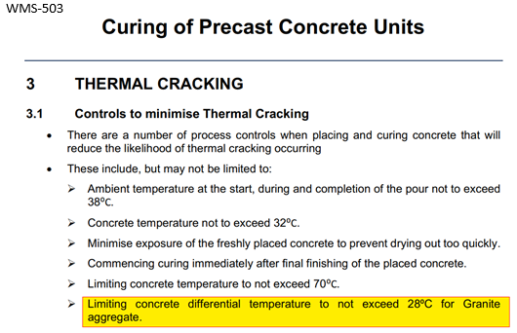
checkpoint | Lifting strength Achieved
label | Lifting strength required - 25MPa
text | Lifting Strength
checkpoint | Curing strength
label | Application of curing compound to all formed faces of the unit after lbeing lifted from the mould
checkpoint | Lifted and Handled as per Drawings
checkpoint | Product Clearly Labelled
label | add photos
checkpoint | Storage as per Approved Temporary Works Drawings
checkpoint | Product Dimensions Achieved and are within Specified Tolerance
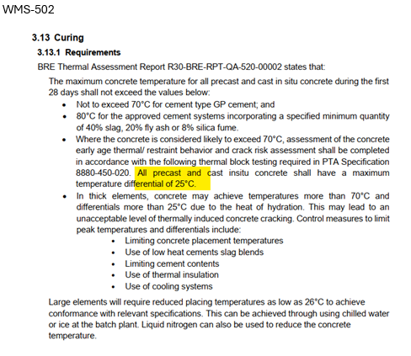
label | Length
label | Width
label | Height
label | Straightness
label | Cross-section
checkpoint | Specified Finish Achieved
checkpoint | Cast-in Items are all in Place and within Specified Tolerance
text | Ferrules
text | Lifters
text | Ducts
checkpoint | Post-Pour Works Completed (As Required)
text | Ferrules are Cleaned and Capped
text | Roughened Surfaces are Greencut
text | Ducts and grouting pipes cleaned
text | All Miscellaneous Items are Completed
text | Bottom surface clear from tie wire (Attach Pictures)
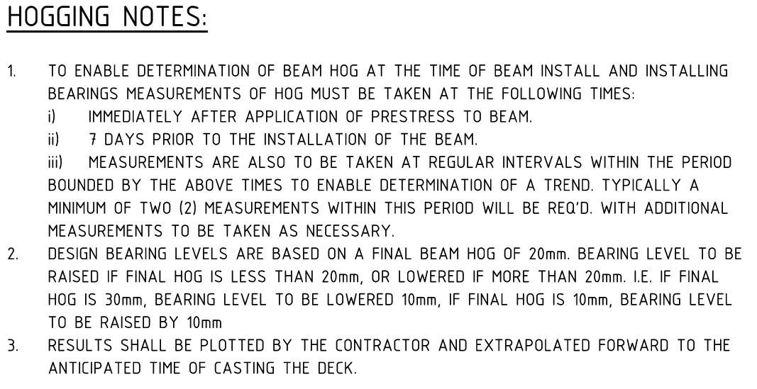
section | Any Defect Identified
checkpoint | Punchlist Completed
checkpoint | Repairs Required (if applicable)
checkpoint | Repairs Completed as per approved WMS (if applicable)
checkpoint | Crack Map Completed (if applicable)
checkpoint | Any NCR Required (if applicable)
checkpoint | NCR Approved by Client and Repairs Completed (if applicable)
section | As-Built Drawings
checkpoint | As-Built Drawings Completed, Stamped and Attached
section | Concrete Strength Test Report
checkpoint | Concrete Strength Test Report Received
text | Concrete Test Report | 9
text | 7 Day Strength (List all) | 10
text | 28 Day Strength (List all) | 11
text | 56 Day Strength (List all)
section | Transportation Requirements
checkpoint | Certificate of Conformance
checkpoint | Inspection Release Certificate
checkpoint | Punchlist signed copy
checkpoint | Delivery Notes
checkpoint | Delivery Docket
section | Final Acceptance
checkpoint | Completed by
checkpoint | Reviewed by
checkpoint | Client Representative (if applicable)

